Sheet1
This is for a Reigns style card game. The player commands an army and must win the war. Depending on the player's decisions, 4 values may go up or down; when one value falls to a certain minimum, the player has lost; when one value reaches a certain maximum, the player has won.
There's a wide variety of characters in the game. This sample contains three of them.
 | FRED, Army Officer | 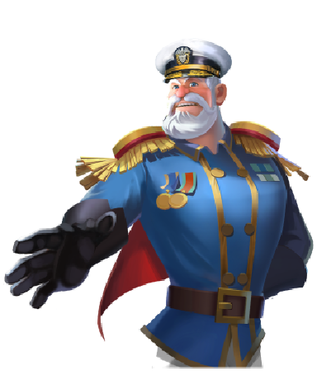 |  | PABLO, President
 | ACE, Aviator |  |  | VANESSA, Organizer | 

CHARACTER | DILEMMA TEXT |  | ANSWER = COLUMN D |  | ANSWER = COLUMN F
FRED | Let's send the heloes: they'll sweep the enemy off the map like a beautiful girl sweeps me off my feet. | NO | Okay... why doing it the easy way when you can do it the spectacular way. We'll keep the heloes on the ground and let the infantry do their job. | SEND AIR FORCE | Bravo Zulu! The enemy is crippled. Taking their territory is like taking candy from a baby.
PABLO | I bet Fred a Cuban cigar that the air force can take the enemy's territory within 2 days. What do you think? | HOLD IT | You're right. Deploying the air force just for a bet just ain't very presidential. | SURE DO IT | Great work. I knew I could count on my fly boys. Now if you'll excuse me? I have a Cuban to pick up from my general.
ACE | Mayday! Plane's running out of juice. What should I do? | AIRPORT, 5 KM | I landed safely but I lost the plane. Don't worry Commander, I've always wanted to try a life as prisoner-of-war. | BASE, 80 KM | Commander, I returned home safely. But my plane... she's become a casualty of war. Request permission to bury her with honor, sir.
ACE | Ace to base! I'm flying over the north pole. There's a cabin here, with a sleigh parked. Should I bomb it? | PLAY NICE | N/A | PLAY NAUGHTY | N/A
FRED | Chief, got 2 blips on the radar. Should we send some men unknowingly to their deaths? | YES | It's a TRAP!! Fall back. | NO | Evaluate the situation until more facts are revealed.
VANESSA | C'mander! A bottle washed ashore, with a map and a very big X. Should we send the fleet and find the treasure? | YES | Yo ho ho! A chest of gold and a bottle of rum! | NO | I understand. No problem, C'mander. It's not like we're dying. And who needs rum anyway?
VANESSA | C'mander, the supplies are running so low we'll have cheese and macaroni without any cheese soon. Should we ration? | RATION | The men will be hungry, but we can't run out of supplies. | DON'T RATION | Hunger will make the soldiers tougher for what comes next.

